Budget and exp overview
TABLE 1 | 2023 BUDGET AND EXPENDITURE OVERVIEW | USD |  |  |  |  |  |  |  |  | Data wrapper version
 |  | 1. Protect | 2. Respond | 3. Empower | 4. Solve
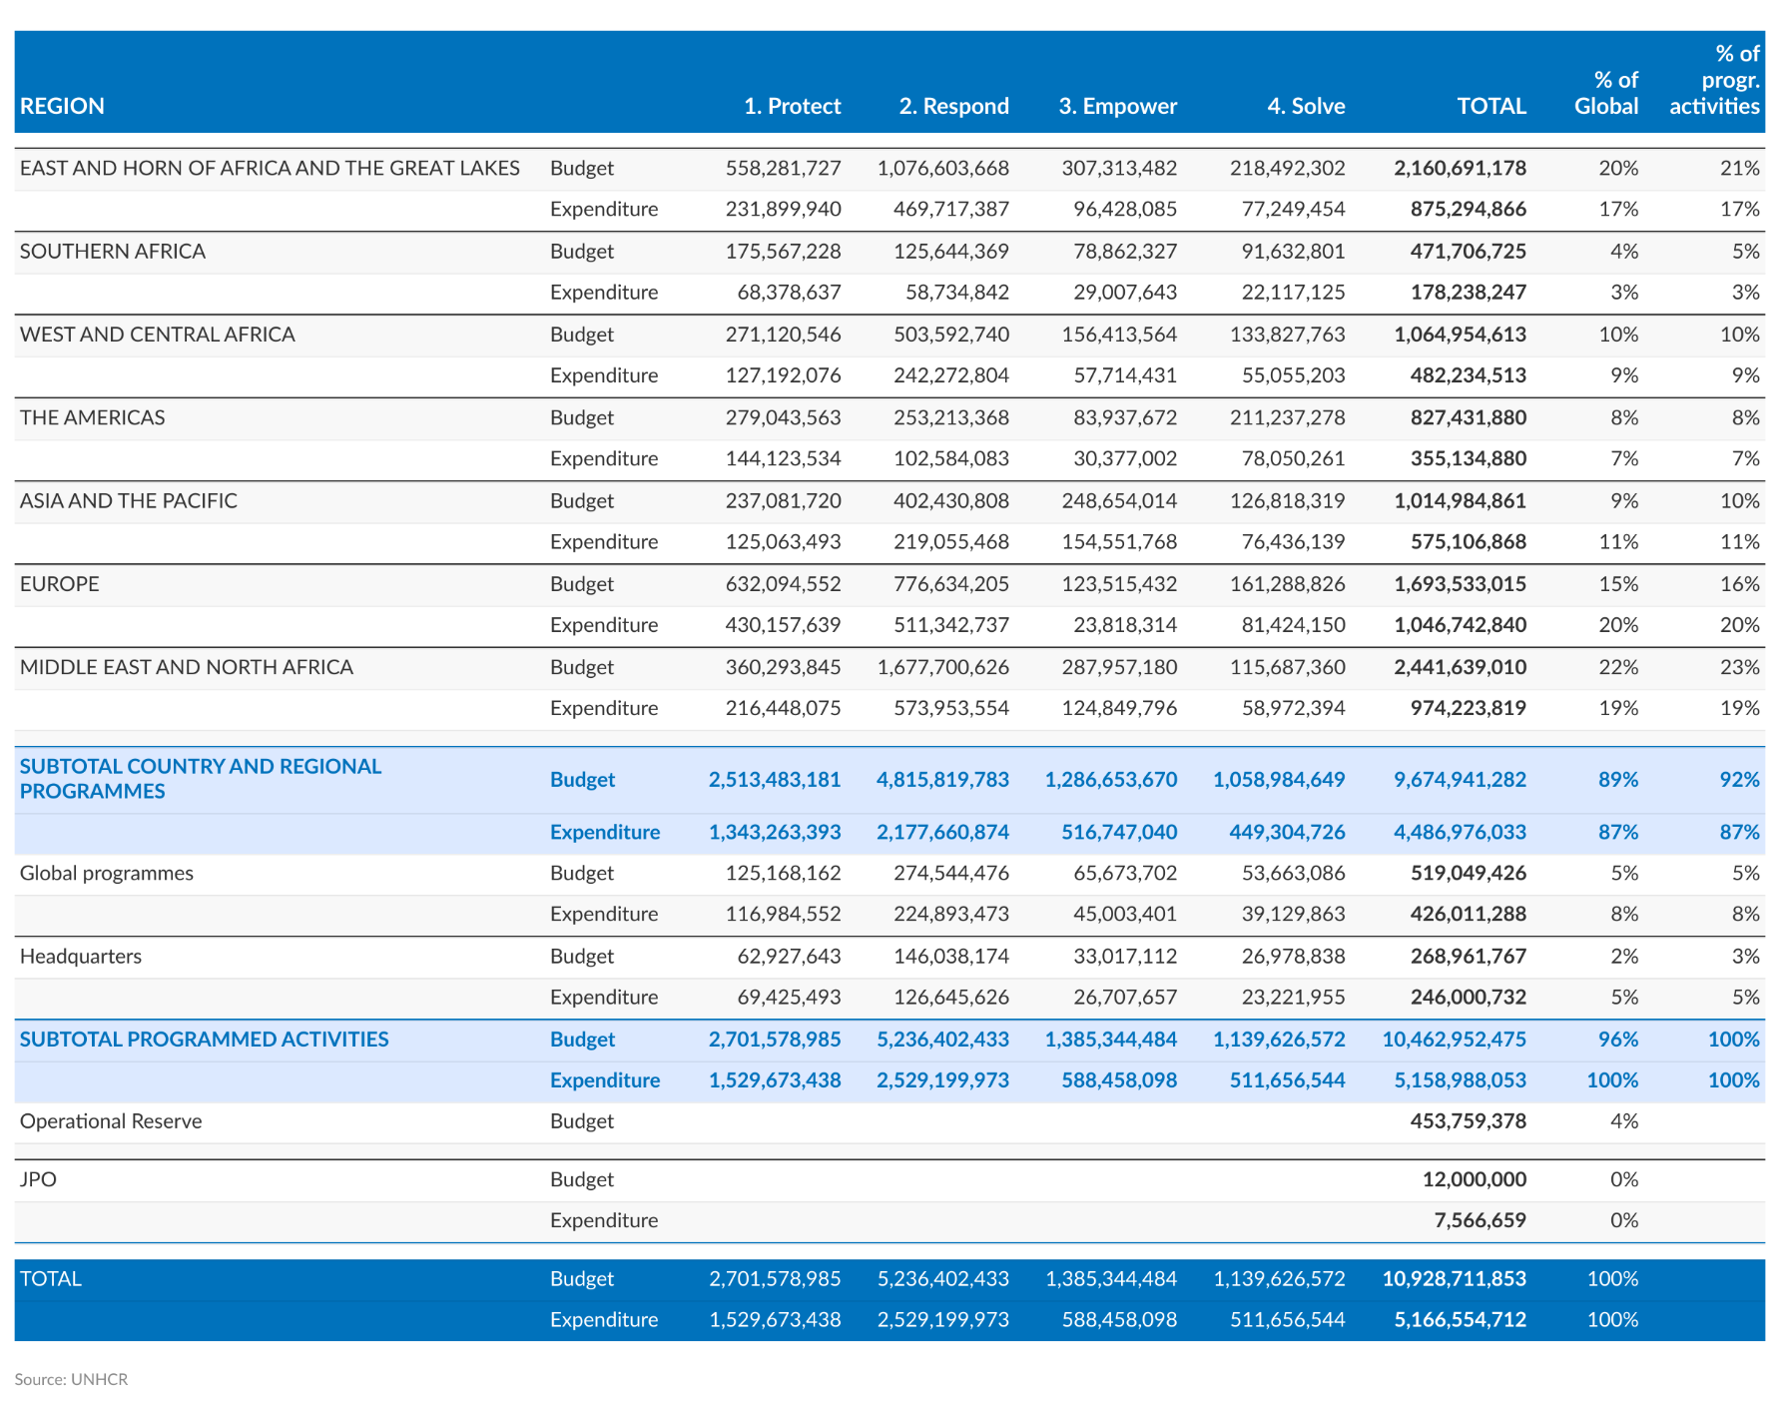
REGION |  | Attaining Favorable Protection Environments | Realizing Basic Rights in Safe Environments | Empowering Communities and Achieving Gender Equality | Securing Solutions | TOTAL | % of Global | % of programmed activities

EAST AND HORN OF AFRICA AND THE GREAT LAKES | Budget | 558,281,727 | 1,076,603,668 | 307,313,482 | 218,492,302 | 2,160,691,178 | 20% | 21%
 | Expenditure | 231,899,940 | 469,717,387 | 96,428,085 | 77,249,454 | 875,294,866 | 17% | 17%
SOUTHERN AFRICA | Budget | 175,567,228 | 125,644,369 | 78,862,327 | 91,632,801 | 471,706,725 | 4% | 5%
 | Expenditure | 68,378,637 | 58,734,842 | 29,007,643 | 22,117,125 | 178,238,247 | 3% | 3%
WEST AND CENTRAL AFRICA | Budget | 271,120,546 | 503,592,740 | 156,413,564 | 133,827,763 | 1,064,954,613 | 10% | 10%
 | Expenditure | 127,192,076 | 242,272,804 | 57,714,431 | 55,055,203 | 482,234,513 | 9% | 9%
THE AMERICAS | Budget | 279,043,563 | 253,213,368 | 83,937,672 | 211,237,278 | 827,431,880 | 8% | 8%
 | Expenditure | 144,123,534 | 102,584,083 | 30,377,002 | 78,050,261 | 355,134,880 | 7% | 7%
ASIA AND THE PACIFIC | Budget | 237,081,720 | 402,430,808 | 248,654,014 | 126,818,319 | 1,014,984,861 | 9% | 10%
 | Expenditure | 125,063,493 | 219,055,468 | 154,551,768 | 76,436,139 | 575,106,868 | 11% | 11%
EUROPE | Budget | 632,094,552 | 776,634,205 | 123,515,432 | 161,288,826 | 1,693,533,015 | 15% | 16%
 | Expenditure | 430,157,639 | 511,342,737 | 23,818,314 | 81,424,150 | 1,046,742,840 | 20% | 20%
MIDDLE EAST AND NORTH AFRICA | Budget | 360,293,845 | 1,677,700,626 | 287,957,180 | 115,687,360 | 2,441,639,010 | 22% | 23%
 | Expenditure | 216,448,075 | 573,953,554 | 124,849,796 | 58,972,394 | 974,223,819 | 19% | 19%

SUBTOTAL COUNTRY AND REGIONAL PROGRAMMES | Budget | 2,513,483,181 | 4,815,819,783 | 1,286,653,670 | 1,058,984,649 | 9,674,941,282 | 89% | 92%
 | Expenditure | 1,343,263,393 | 2,177,660,874 | 516,747,040 | 449,304,726 | 4,486,976,033 | 87% | 87%
Global programmes | Budget | 125,168,162 | 274,544,476 | 65,673,702 | 53,663,086 | 519,049,426 | 5% | 5%
 | Expenditure | 116,984,552 | 224,893,473 | 45,003,401 | 39,129,863 | 426,011,288 | 8% | 8%
Headquarters | Budget | 62,927,643 | 146,038,174 | 33,017,112 | 26,978,838 | 268,961,767 | 2% | 3%
 | Expenditure | 69,425,493 | 126,645,626 | 26,707,657 | 23,221,955 | 246,000,732 | 5% | 5%
SUBTOTAL PROGRAMMED ACTIVITIES | Budget | 2,701,578,985 | 5,236,402,433 | 1,385,344,484 | 1,139,626,572 | 10,462,952,475 | 96% | 100%
 | Expenditure | 1,529,673,438 | 2,529,199,973 | 588,458,098 | 511,656,544 | 5,158,988,053 | 100% | 100%
Operational Reserve | Budget |  | 0 | 0 | 0 | 453,759,378 | 4%

JPO | Budget |  | 0 | 0 | 0 | 12,000,000 | 0%
 | Expenditure |  | 0 | 0 | 0 | 7,566,659 | 0%

TOTAL | Budget | 2,701,578,985 | 5,236,402,433 | 1,385,344,484 | 1,139,626,572 | 10,928,711,853
 | Expenditure | 1,529,673,438 | 2,529,199,973 | 588,458,098 | 511,656,544 | 5,166,554,712

 | % of global exp | 30% | 49% | 11% | 10%

Exp by source of funding
 | TABLE 3 | UNHCR 2023 TOTAL EXPENDITURE BY SOURCE OF FUNDING | USD thousands
 |  |  |  |  |  |  |  |  |  |  |  | Data wrapper - updated version on 13/06/2024

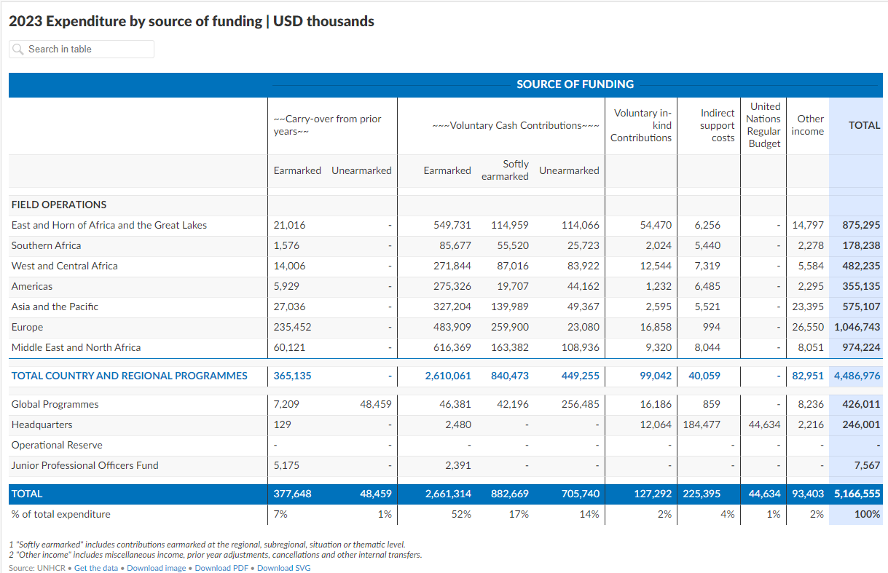
 |  | SOURCE OF FUNDING
 |  | Carry-over from prior years |  | Voluntary Cash Contributions |  |  | Voluntary in-kind Contributions | Indirect support costs | United Nations Regular Budget | Other income2 | TOTAL
 |  | Earmarked | Unearmarked | Earmarked | Softly earmarked1 | Unearmarked
 | FIELD OPERATIONS
East Horn and Great Lakes | East and Horn of Africa and the Great Lakes | 21,016 | - | 549,731 | 114,959 | 114,066 | 54,470 | 6,256 | - | 14,797 | 875,295
Southern Africa | Southern Africa | 1,576 | - | 85,677 | 55,520 | 25,723 | 2,024 | 5,440 | - | 2,278 | 178,238
West and Central Africa | West and Central Africa | 14,006 | - | 271,844 | 87,016 | 83,922 | 12,544 | 7,319 | - | 5,584 | 482,235
The Americas | Americas | 5,929 | - | 275,326 | 19,707 | 44,162 | 1,232 | 6,485 | - | 2,295 | 355,135
Asia and the Pacific | Asia and the Pacific | 27,036 | - | 327,204 | 139,989 | 49,367 | 2,595 | 5,521 | - | 23,395 | 575,107
Europe | Europe | 235,452 | - | 483,909 | 259,900 | 23,080 | 16,858 | 994 | - | 26,550 | 1,046,743
Middle East and North Africa | Middle East and North Africa | 60,121 | - | 616,369 | 163,382 | 108,936 | 9,320 | 8,044 | - | 8,051 | 974,224

 | TOTAL COUNTRY AND REGIONAL PROGRAMMES | 365,135 | - | 2,610,061 | 840,473 | 449,255 | 99,042 | 40,059 | - | 82,951 | 4,486,976

GLSE | Global Programmes | 7,209 | 48,459 | 46,381 | 42,196 | 256,485 | 16,186 | 859 | - | 8,236 | 426,011
HQ | Headquarters | 129 | - | 2,480 | - | - | 12,064 | 184,477 | 44,634 | 2,216 | 246,001
 | Operational Reserve | - | - | - | - | - | - | - | - | - | -
 | Junior Professional Officers Fund | 5,175 | - | 2,391 | - | - | - | - | - | - | 7,567

 | TOTAL | 377,648 | 48,459 | 2,661,314 | 882,669 | 705,740 | 127,292 | 225,395 | 44,634 | 93,403 | 5,166,555
 | % of total expenditure | 7% | 1% | 52% | 17% | 14% | 2% | 4% | 1% | 2% | 100%

 | 1 Includes contributions earmarked at the regional, subregional, situation or thematic level
 | 2 Includes miscellaneous income, prior year adjustments, cancellations and other internal transfers

RRP
TABLE 4 | REFUGEE RESPONSE PLANS | USD

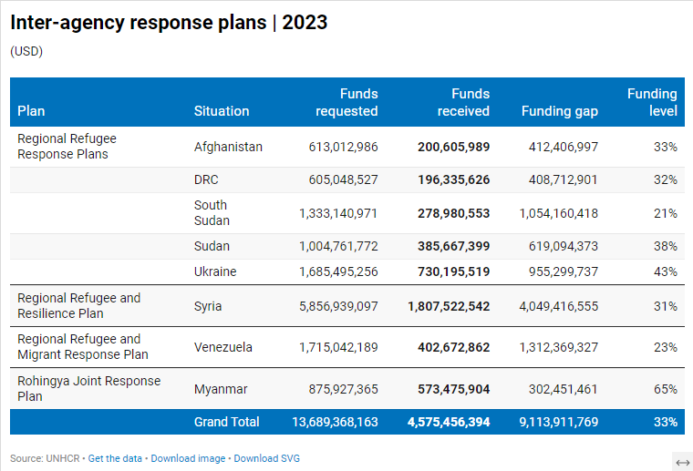
Plan | Situation | Funds requested | Funds received | Funding gap | Funding level

Regional Refugee Response Plans | Afghanistan | 613,012,986 | 200,605,989 | 412,406,997 | 33%
 | DRC | 605,048,527 | 196,335,626 | 408,712,901 | 32%
 | South Sudan | 1,333,140,971 | 278,980,553 | 1,054,160,418 | 21%
 | Sudan | 1,004,761,772 | 385,667,399 | 619,094,373 | 38%
 | Ukraine | 1,685,495,256 | 730,195,519 | 955,299,737 | 43%
Regional Refugee and Resilience Plan | Syria | 5,856,939,097 | 1,807,522,542 | 4,049,416,555 | 31%
Regional Refugee and Migrant Response Plan | Venezuela | 1,715,042,189 | 402,672,862 | 1,312,369,327 | 23%
Rohingya Joint Response Plan | Myanmar | 875,927,365 | 573,475,904 | 302,451,461 | 65%

 | Grand Total | 13,689,368,163 | 4,575,456,394 | 9,113,911,769 | 33%

Flexible Funding
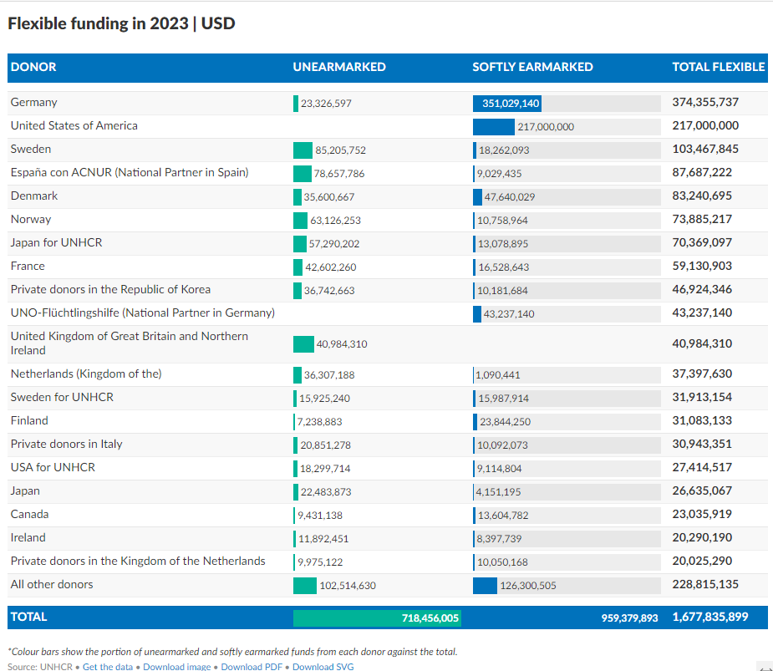
TABLE 5 | FLEXIBLE FUNDING | 2023
 |  |  |  | Data wrapper
DONOR | UNEARMARKED* | SOFTLY EARMARKED* | TOTAL FLEXIBLE

Germany | 23,326,597 | 351,029,140 | 374,355,737
United States of America |  | 217,000,000 | 217,000,000
Sweden | 85,205,752 | 18,262,093 | 103,467,845
España con ACNUR | 78,657,786 | 9,029,435 | 87,687,222
Denmark | 35,600,667 | 47,640,029 | 83,240,695
Norway | 63,126,253 | 10,758,964 | 73,885,217
Japan for UNHCR | 57,290,202 | 13,078,895 | 70,369,097
France | 42,602,260 | 16,528,643 | 59,130,903
Private donors in the Republic of Korea | 36,742,663 | 10,181,684 | 46,924,346
UNO-Flüchtlingshilfe (National Partner in Germany) |  | 43,237,140 | 43,237,140
United Kingdom of Great Britain and Northern Ireland | 40,984,310 |  | 40,984,310
Netherlands (Kingdom of the) | 36,307,188 | 1,090,441 | 37,397,630
Sweden for UNHCR | 15,925,240 | 15,987,914 | 31,913,154
Finland | 7,238,883 | 23,844,250 | 31,083,133
Private donors in Italy | 20,851,278 | 10,092,073 | 30,943,351
USA for UNHCR | 18,299,714 | 9,114,804 | 27,414,517
Japan | 22,483,873 | 4,151,195 | 26,635,067
Canada | 9,431,138 | 13,604,782 | 23,035,919
Ireland | 11,892,451 | 8,397,739 | 20,290,190
Private donors in the Kingdom of the Netherlands | 9,975,122 | 10,050,168 | 20,025,290
All other donors | 102,514,630 | 126,300,505 | 228,815,135
 | 718,456,005 | 959,379,893

TOTAL | 718,456,005 | 959,379,893 | 1,677,835,899

*Colour bars show the portion of unearmarked and softly earmarked funds from each donor against the total.

