Global overview
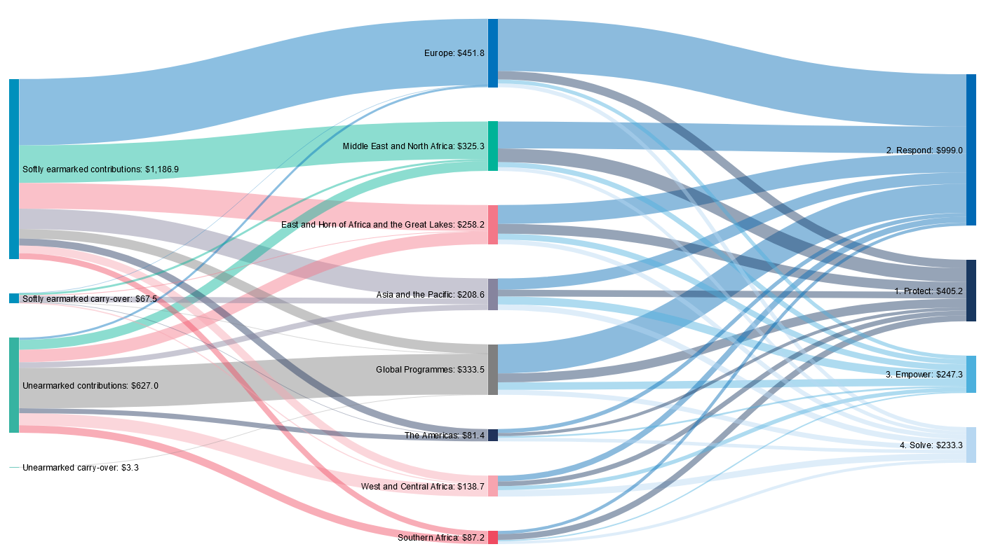
GLOBAL OVERVIEW OF FLEXIBLE FUNDING IN 2022 | USD millions

Sources & Top donors
SOURCES OF OF FLEXIBLE FUNDING IN 2022 | USD
Source | Unearmarked |  | Softly earmarked |  | Total flexible funding
 | $ | % | $ | % | $ | %
Government | 449,554,477 | 59% | 976,822,211 | 59% | 1,426,376,688 | 59%
Private | 314,393,538 | 41% | 672,563,517 | 41% | 986,957,055 | 41%
Grand total | 763,948,015 | 100% | 1,649,385,727 | 100% | 2,413,333,742 | 100%

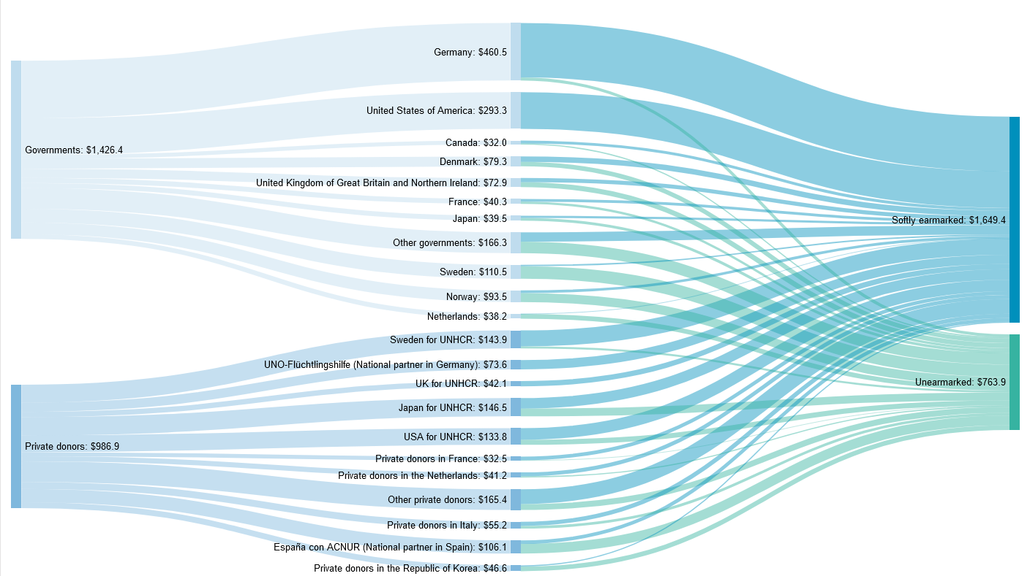
TOP DONORS OF FLEXIBLE FUNDING IN 2022 | USD
DONOR | UNEARMARKED | SOFTLY EARMARKED | TOTAL FLEXIBLE
Germany | 23,868,243 | 436,641,598 | 460,509,841
United States of America |  | 293,279,209 | 293,279,209
Japan for UNHCR | 62,112,132 | 84,417,720 | 146,529,852
Sweden for UNHCR | 15,681,504 | 128,215,988 | 143,897,491
USA for UNHCR | 40,510,712 | 93,283,148 | 133,793,860
Sweden | 99,251,812 | 11,298,107 | 110,549,919
España con ACNUR (Spain) | 77,410,001 | 28,736,446 | 106,146,447
Norway | 72,513,812 | 21,018,573 | 93,532,386
Denmark | 35,600,667 | 43,687,728 | 79,288,395
UNO-Flüchtlingshilfe ( National partner in Germany) | 21,705 | 73,545,544 | 73,567,249
United Kingdom of Great Britain and Northern Ireland | 40,136,419 | 32,722,513 | 72,858,932
Private donors in Italy | 21,057,338 | 34,125,329 | 55,182,666
Private donors in the Republic of Korea | 37,494,140 | 9,115,956 | 46,610,095
UK for UNHCR | 0 | 42,119,366 | 42,119,367
Private donors in the Netherlands | 9,670,703 | 31,536,452 | 41,207,155
France | 18,466,358 | 21,866,834 | 40,333,192
Japan | 21,710,202 | 17,747,711 | 39,457,913
Netherlands | 37,162,162 | 1,028,807 | 38,190,969
Private donors in France | 3,220,646 | 29,323,528 | 32,544,174
Canada | 9,431,138 | 22,601,176 | 32,032,313
All other donors | 138,628,322 | 193,073,996 | 331,702,318
TOTAL | 763,948,015 | 1,649,385,727 | 2,413,333,742

